Sheet1
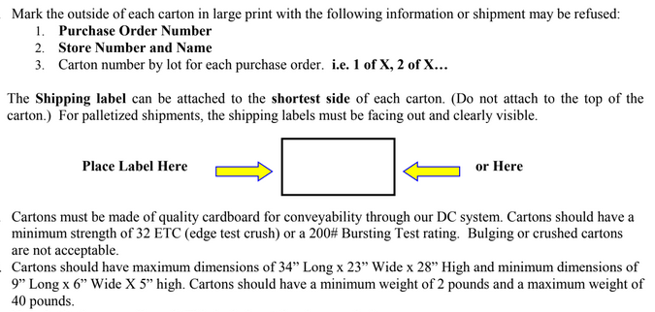
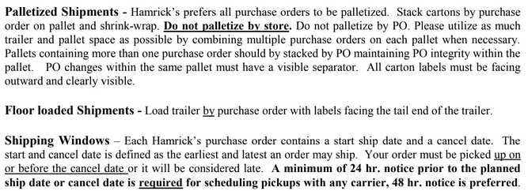
HAMRICKS

PICK TICKET CHECK LIST |  |  |  | PO# 263516
 |  |  |  | PT# 1754766 - 1754787
TICKETING

ROUTING |  |  | SHIP VIA: ROUTING

CARTON MARKING

PO # MUST BE ON ALL BOXES
STORE# and STORE NAME
STYLE
COLOR
QTY

CUSTOMER STYLE | OUR STYLE | QTY | PT #
WMH3174E-42 | WMH3174E-42 | 6 | 1754766
WMH376-42 | WMH376-42 | 6 | 1754766
WMH384-42 | WMH384-42 | 6 | 1754766
WMH390-42 | WMH390-42 | 6 | 1754766
WMH3174E-42 | WMH3174E-42 | 6 | 1754767
WMH376-42 | WMH376-42 | 6 | 1754767
WMH3174E-42 | WMH3174E-42 | 6 | 1754768
WMH376-42 | WMH376-42 | 6 | 1754768
WMH384-42 | WMH384-42 | 6 | 1754768
WMH390-42 | WMH390-42 | 6 | 1754768
WMH390-42 | WMH390-42 | 6 | 1754768
WMH3174E-42 | WMH3174E-42 | 6 | 1754769
WMH376-42 | WMH376-42 | 6 | 1754769
WMH384-42 | WMH384-42 | 6 | 1754769
WMH390-42 | WMH390-42 | 6 | 1754769
WMH390-42 | WMH390-42 | 6 | 1754769
WMH3174E-42 | WMH3174E-42 | 6 | 1754770
WMH376-42 | WMH376-42 | 6 | 1754770
WMH384-42 | WMH384-42 | 6 | 1754770
WMH390-42 | WMH390-42 | 6 | 1754770
WMH3174E-42 | WMH3174E-42 | 6 | 1754771
WMH376-42 | WMH376-42 | 6 | 1754771
WMH384-42 | WMH384-42 | 6 | 1754771
WMH390-42 | WMH390-42 | 6 | 1754771
WMH390-42 | WMH390-42 | 6 | 1754771
WMH3174E-42 | WMH3174E-42 | 6 | 1754772
WMH376-42 | WMH376-42 | 6 | 1754772
WMH3174E-42 | WMH3174E-42 | 6 | 1754773
WMH376-42 | WMH376-42 | 6 | 1754773
WMH390-42 | WMH390-42 | 6 | 1754773
WMH3174E-42 | WMH3174E-42 | 6 | 1754774
WMH376-42 | WMH376-42 | 6 | 1754774
WMH384-42 | WMH384-42 | 6 | 1754774
WMH390-42 | WMH390-42 | 6 | 1754774
WMH390-42 | WMH390-42 | 6 | 1754774
WMH3174E-42 | WMH3174E-42 | 6 | 1754775
WMH376-42 | WMH376-42 | 6 | 1754775
WMH3174E-42 | WMH3174E-42 | 6 | 1754776
WMH376-42 | WMH376-42 | 6 | 1754776
WMH3174E-42 | WMH3174E-42 | 6 | 1754777
WMH376-42 | WMH376-42 | 6 | 1754777
WMH3174E-42 | WMH3174E-42 | 6 | 1754778
WMH376-42 | WMH376-42 | 6 | 1754778
WMH390-42 | WMH390-42 | 6 | 1754778
WMH376-42 | WMH376-42 | 6 | 1754779
WMH390-42 | WMH390-42 | 6 | 1754779
WMH3174E-42 | WMH3174E-42 | 6 | 1754780
WMH376-42 | WMH376-42 | 12 | 1754780
WMH384-42 | WMH384-42 | 6 | 1754780
WMH390-42 | WMH390-42 | 12 | 1754780
WMH390-42 | WMH390-42 | 6 | 1754780
WMH3174E-42 | WMH3174E-42 | 6 | 1754781
WMH376-42 | WMH376-42 | 6 | 1754781
WMH384-42 | WMH384-42 | 6 | 1754781
WMH390-42 | WMH390-42 | 6 | 1754781
WMH390-42 | WMH390-42 | 6 | 1754781
WMH3174E-42 | WMH3174E-42 | 6 | 1754782
WMH376-42 | WMH376-42 | 6 | 1754782
WMH384-42 | WMH384-42 | 6 | 1754782
WMH390-42 | WMH390-42 | 6 | 1754782
WMH3174E-42 | WMH3174E-42 | 6 | 1754783
WMH376-42 | WMH376-42 | 6 | 1754783
WMH384-42 | WMH384-42 | 6 | 1754783
WMH390-42 | WMH390-42 | 6 | 1754783
WMH3174E-42 | WMH3174E-42 | 6 | 1754784
WMH376-42 | WMH376-42 | 6 | 1754784
WMH384-42 | WMH384-42 | 6 | 1754784
WMH390-42 | WMH390-42 | 6 | 1754784
WMH390-42 | WMH390-42 | 6 | 1754784
WMH3174E-42 | WMH3174E-42 | 6 | 1754785
WMH376-42 | WMH376-42 | 12 | 1754785
WMH384-42 | WMH384-42 | 6 | 1754785
WMH390-42 | WMH390-42 | 12 | 1754785
WMH390-42 | WMH390-42 | 6 | 1754785
WMH376-42 | WMH376-42 | 6 | 1754786
WMH390-42 | WMH390-42 | 6 | 1754786
WMH3174E-42 | WMH3174E-42 | 6 | 1754787
WMH376-42 | WMH376-42 | 6 | 1754787

